Form
PANASONIC SYSTEM NETWORKS VIETNAM CO., LTD
REGISTER FORM FOR FY2024 PROMOTION PROJECT
Name: Nguyen Nhu Minh | Nominated position: Supervisor | Section/ Department: ISD | Theme: | Upgrade FOSS System & Make Asset Life Cycle Management System
I. CURRENT ISSUES |  | II. PLAN & TARGET OF THE PROJECT
Theme 1: Upgrade Factory Operation Support System (FOSS) |  | DESCRIBE PROCEDURE FOR IMPLEMENTATION OF ACTION PLAN
Background : All devices scanning bar-code are running window CE operating system. |  | ô Issue Job And Schedule To Complete
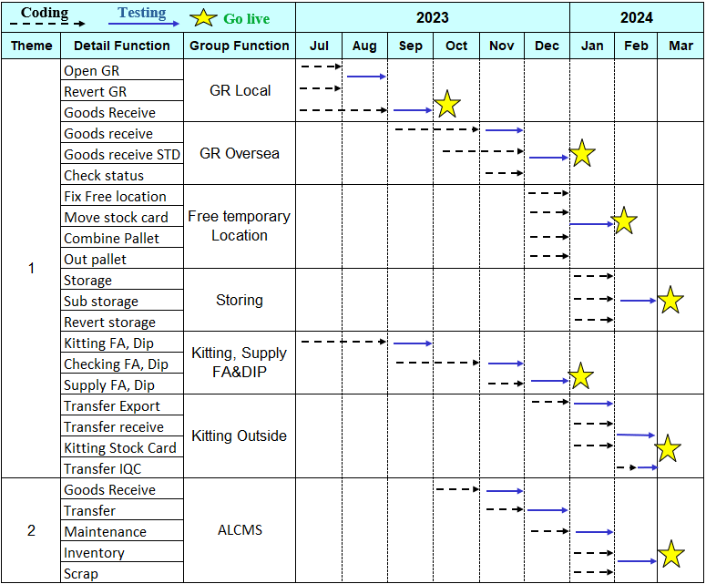
+ They are not support and update in the future.
+ Limited: Development Software is quite slow. Not responsive to big data system.
+ Use devices for a long time leads to trouble such as software, wifi, touch, mainboard…
Issue : Following corporate policy in FY24 this operating system will be end of life 2023.
+ Find new technology solutions to make software smarter, more stable, suitable for big data.
+ Take a long time to repair and setup again Operating System of PDA devices.
Solution: Upgrade Foss system from windows CE to Android Application
New : Flutter-Dart (new programming language), Android (new environment)
Develop time
Support time
FOSS Main Function

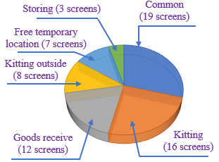
Current: Win CE

Efficiency

 Follow company policy
 Increase Develop time
 Reduce Support time

Tobe: Android
 Make Faster, stable, smarter Software
 |  | ôTarget FY2023
 |  | P Upgrade the entire FOSS system to a mobile application system.
 |  | P Support IT department to manage all assets more better.
Theme 2: Asset Life Cycle Management System (ALCMS) |  | ô Next schedule
Background: Use hard copy when store warehouse,inventory, transfer, borrow, scrap. |  | P For company: I will develop more projects on mobile device and expand scope using ALCMS in company.
Issue: Take a long time to check inventory and difficult to manage asset, easy mistake. |  | P My self: Improve English skill (Toeic 600 scores) and study new technology about mobile app.
Solution: Make new software to manage Asset of IT department. |  | P My team : Share major technical experience, training support skill and improving spiritual working team.
Current: Manual control
Tobe: Software control
Efficiency
 |  | III. CONFIRMATION OF SUPERIOR
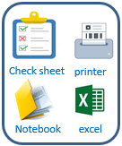
Good receipt
Transfer
Maintenance
Inventory
Scrap
ALCMS
 Using system for all information control

 Easy manage operation and history
 Ensure exactly quantity in - out

 Reduce time to check inventory

